Plot the standard Gaussian mode
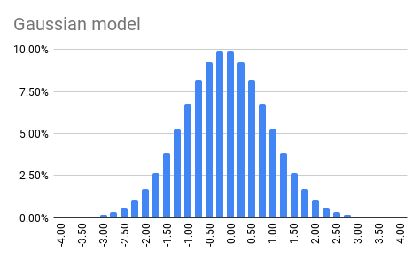
Bins
Lower Bound | Upper Bound | Standard Gaussian Model | Histogram
-4.00 | -3.75 | 0.01%
-3.75 | -3.50 | 0.01%
-3.50 | -3.25 | 0.03%
-3.25 | -3.00 | 0.08%
-3.00 | -2.75 | 0.16%
-2.75 | -2.50 | 0.32%
-2.50 | -2.25 | 0.60%
-2.25 | -2.00 | 1.05%
-2.00 | -1.75 | 1.73%
-1.75 | -1.50 | 2.67%
-1.50 | -1.25 | 3.88%
-1.25 | -1.00 | 5.30%
-1.00 | -0.75 | 6.80%
-0.75 | -0.50 | 8.19%
-0.50 | -0.25 | 9.28%
-0.25 | 0.00 | 9.87%
0.00 | 0.25 | 9.87%
0.25 | 0.50 | 9.28%
0.50 | 0.75 | 8.19%
0.75 | 1.00 | 6.80%
1.00 | 1.25 | 5.30%
1.25 | 1.50 | 3.88%
1.50 | 1.75 | 2.67%
1.75 | 2.00 | 1.73%
2.00 | 2.25 | 1.05%
2.25 | 2.50 | 0.60%
2.50 | 2.75 | 0.32%
2.75 | 3.00 | 0.16%
3.00 | 3.25 | 0.08%
3.25 | 3.50 | 0.03%
3.50 | 3.75 | 0.01%
3.75 | 4.00 | 0.01%
4.00 | 4.25 | 0.00%

Change the location of the Gaus
Bins
Lower Bound | Upper Bound | Gaussian #1 (Standard) | Gaussian #2 | Histogram
-4.00 | -3.75 | 0.01% | 0.00%
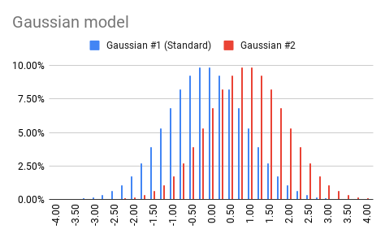
-3.75 | -3.50 | 0.01% | 0.00%
-3.50 | -3.25 | 0.03% | 0.00%
-3.25 | -3.00 | 0.08% | 0.00%
-3.00 | -2.75 | 0.16% | 0.01%
-2.75 | -2.50 | 0.32% | 0.01%
-2.50 | -2.25 | 0.60% | 0.03%
-2.25 | -2.00 | 1.05% | 0.08%
-2.00 | -1.75 | 1.73% | 0.16%
-1.75 | -1.50 | 2.67% | 0.32%
-1.50 | -1.25 | 3.88% | 0.60%
-1.25 | -1.00 | 5.30% | 1.05%
-1.00 | -0.75 | 6.80% | 1.73%
-0.75 | -0.50 | 8.19% | 2.67%
-0.50 | -0.25 | 9.28% | 3.88%
-0.25 | 0.00 | 9.87% | 5.30%
0.00 | 0.25 | 9.87% | 6.80%
0.25 | 0.50 | 9.28% | 8.19%
0.50 | 0.75 | 8.19% | 9.28%
0.75 | 1.00 | 6.80% | 9.87%
1.00 | 1.25 | 5.30% | 9.87%
1.25 | 1.50 | 3.88% | 9.28%
1.50 | 1.75 | 2.67% | 8.19%
1.75 | 2.00 | 1.73% | 6.80%
2.00 | 2.25 | 1.05% | 5.30%
2.25 | 2.50 | 0.60% | 3.88%
2.50 | 2.75 | 0.32% | 2.67%
2.75 | 3.00 | 0.16% | 1.73%
3.00 | 3.25 | 0.08% | 1.05%
3.25 | 3.50 | 0.03% | 0.60%
3.50 | 3.75 | 0.01% | 0.32%
3.75 | 4.00 | 0.01% | 0.16%
4.00 | 4.25 | 0.00% | 0.08%

Change the dispersion of the Ga
Bins
Lower Bound | Upper Bound | Gaussian #1 (Standard) | Gaussian #2 | Gaussian #3 | Histogram
-4.00 | -3.75 | 0.01% | 0.00% | 0.24%
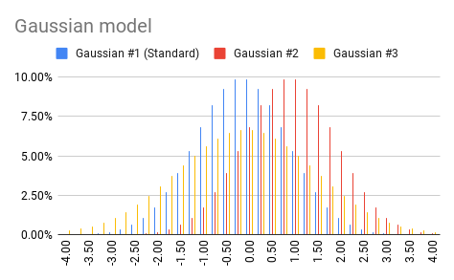
-3.75 | -3.50 | 0.01% | 0.00% | 0.36%
-3.50 | -3.25 | 0.03% | 0.00% | 0.53%
-3.25 | -3.00 | 0.08% | 0.00% | 0.76%
-3.00 | -2.75 | 0.16% | 0.01% | 1.06%
-2.75 | -2.50 | 0.32% | 0.01% | 1.44%
-2.50 | -2.25 | 0.60% | 0.03% | 1.90%
-2.25 | -2.00 | 1.05% | 0.08% | 2.44%
-2.00 | -1.75 | 1.73% | 0.16% | 3.05%
-1.75 | -1.50 | 2.67% | 0.32% | 3.70%
-1.50 | -1.25 | 3.88% | 0.60% | 4.37%
-1.25 | -1.00 | 5.30% | 1.05% | 5.02%
-1.00 | -0.75 | 6.80% | 1.73% | 5.60%
-0.75 | -0.50 | 8.19% | 2.67% | 6.09%
-0.50 | -0.25 | 9.28% | 3.88% | 6.44%
-0.25 | 0.00 | 9.87% | 5.30% | 6.62%
0.00 | 0.25 | 9.87% | 6.80% | 6.62%
0.25 | 0.50 | 9.28% | 8.19% | 6.44%
0.50 | 0.75 | 8.19% | 9.28% | 6.09%
0.75 | 1.00 | 6.80% | 9.87% | 5.60%
1.00 | 1.25 | 5.30% | 9.87% | 5.02%
1.25 | 1.50 | 3.88% | 9.28% | 4.37%
1.50 | 1.75 | 2.67% | 8.19% | 3.70%
1.75 | 2.00 | 1.73% | 6.80% | 3.05%
2.00 | 2.25 | 1.05% | 5.30% | 2.44%
2.25 | 2.50 | 0.60% | 3.88% | 1.90%
2.50 | 2.75 | 0.32% | 2.67% | 1.44%
2.75 | 3.00 | 0.16% | 1.73% | 1.06%
3.00 | 3.25 | 0.08% | 1.05% | 0.76%
3.25 | 3.50 | 0.03% | 0.60% | 0.53%
3.50 | 3.75 | 0.01% | 0.32% | 0.36%
3.75 | 4.00 | 0.01% | 0.16% | 0.24%
4.00 | 4.25 | 0.00% | 0.08% | 0.15%

